Sheet1
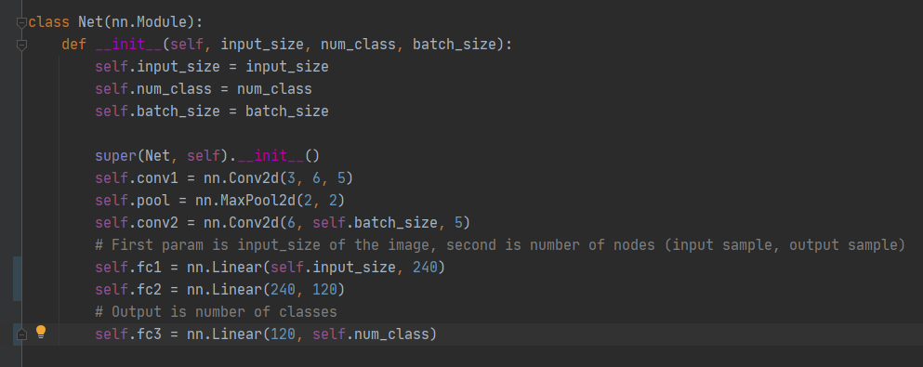
Batch Size | Epochs | Accuracy of Network | Accuracy of none | Accuracy of Enemy
5 | 1 | 88.50% | 83.87% | 92.32%
10 | 1 | 85.58% | 76.60% | 92.67%
16 | 1 | 86.38% | 89.16% | 85.09%

No significant difference for the same batch sizes on the original model

